Where we left off
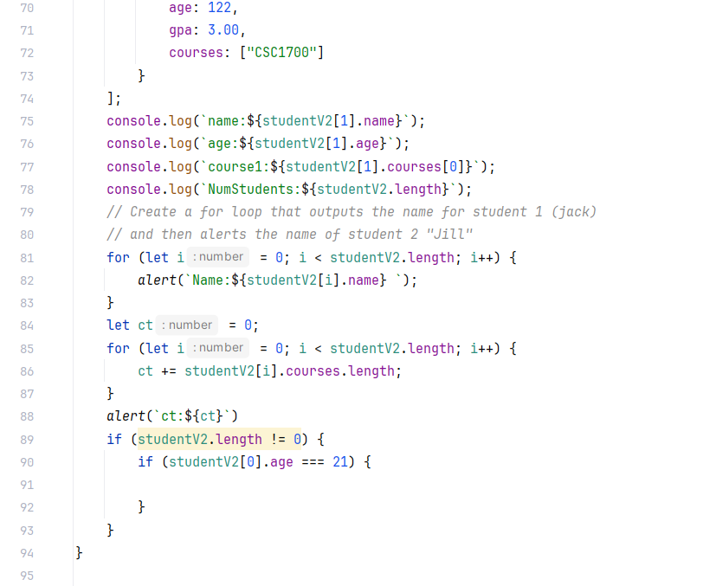
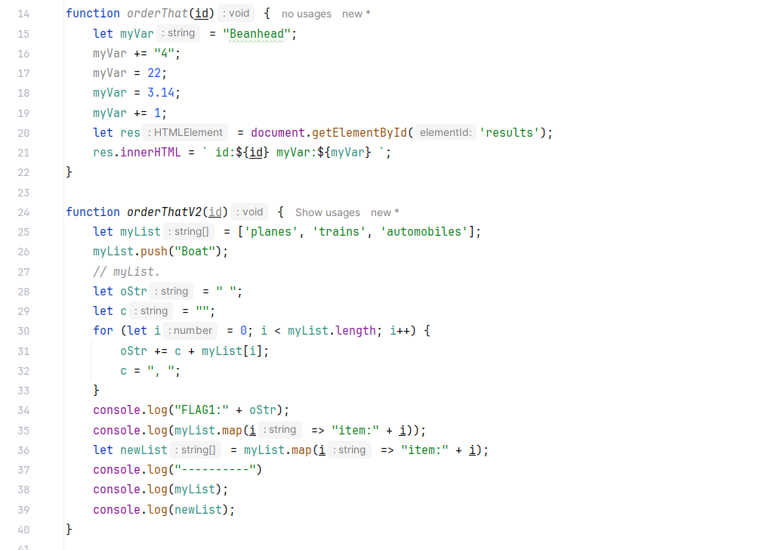
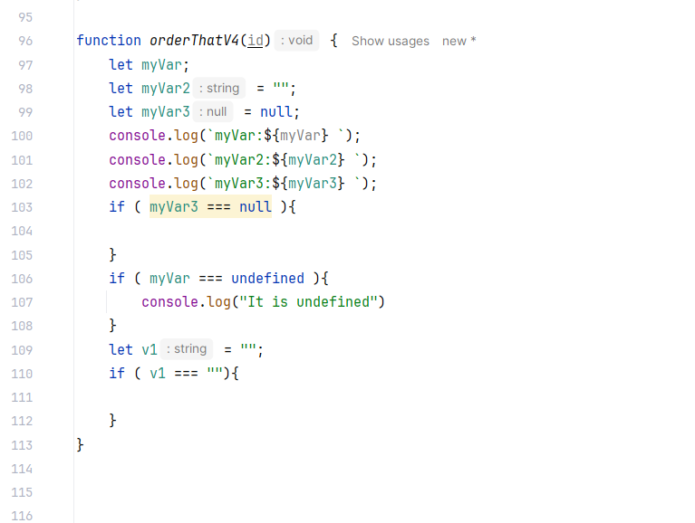
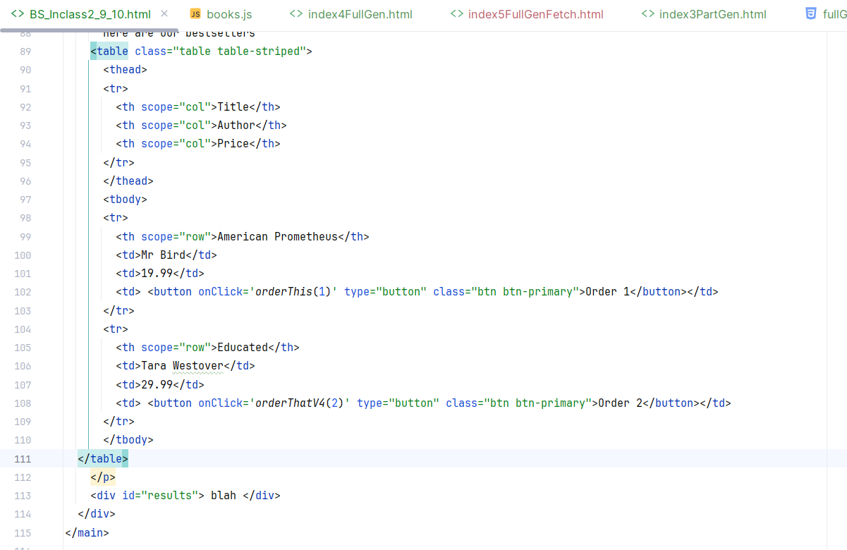

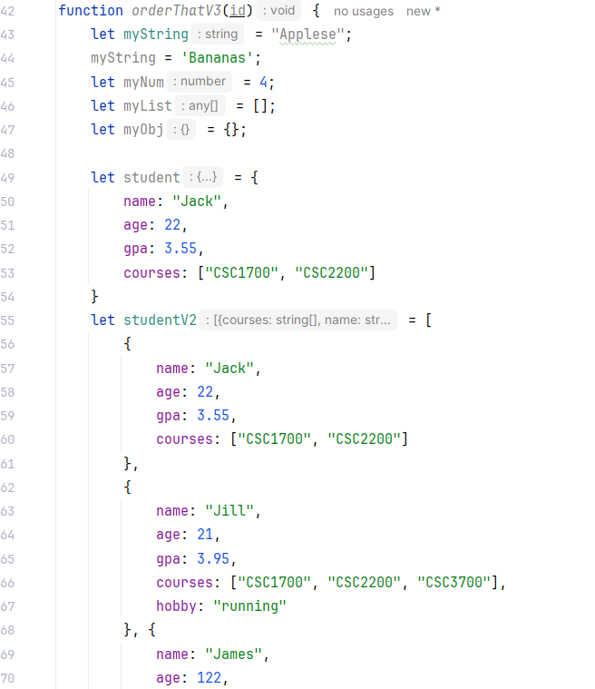

Left off here on BS_InClass_9_10

 | V

F

Leverage Object literals
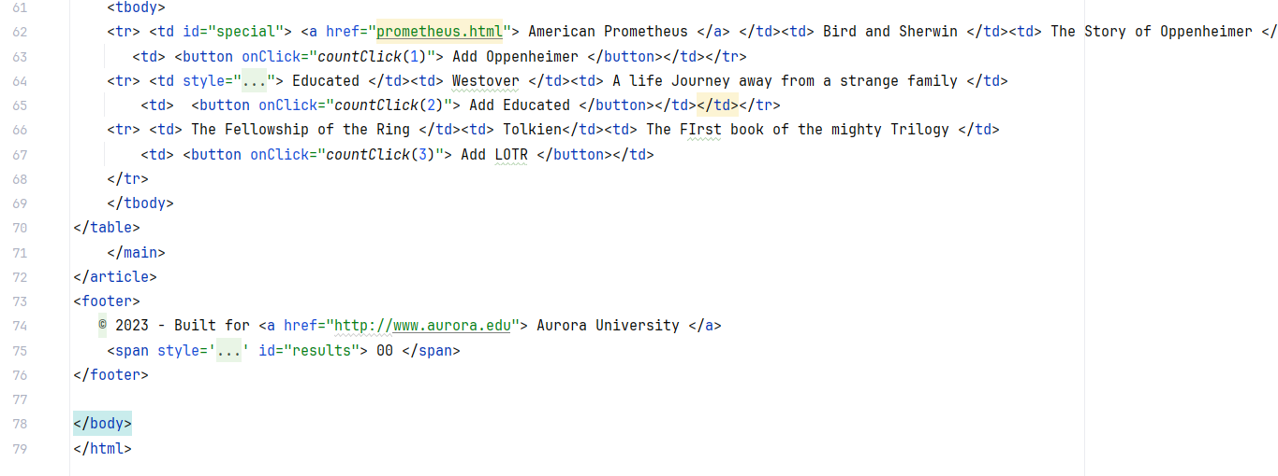
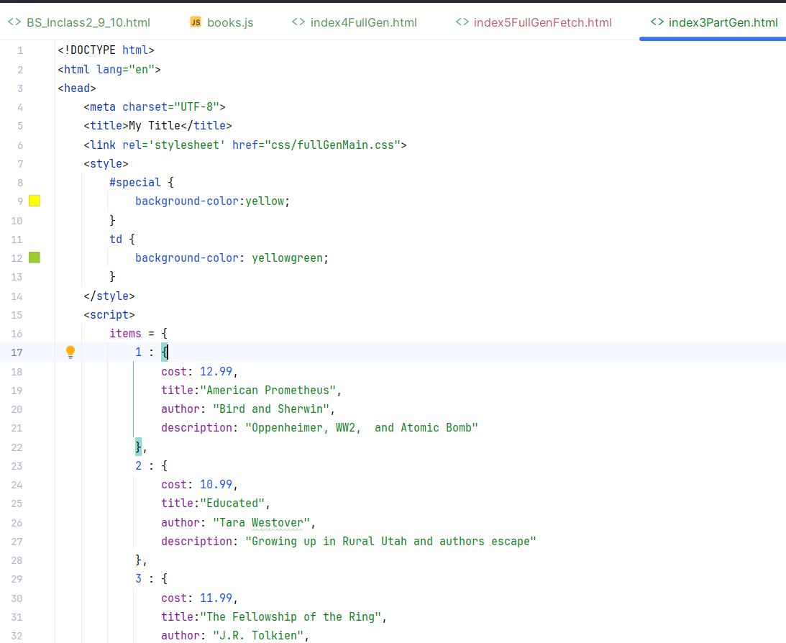

Note... here these are clearly numbers ...
if there were " around the 10.99 it would be a string and need to parseInt

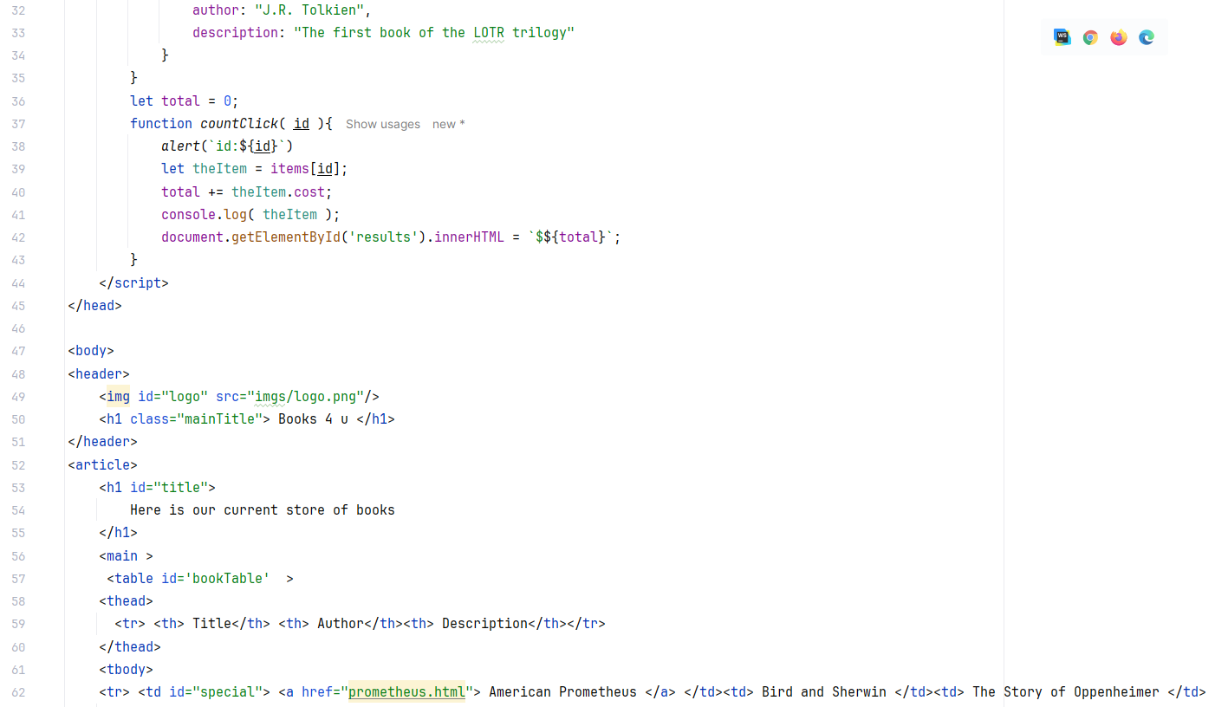

Leverages the Object literal to show information about what was clicked

Fully generated
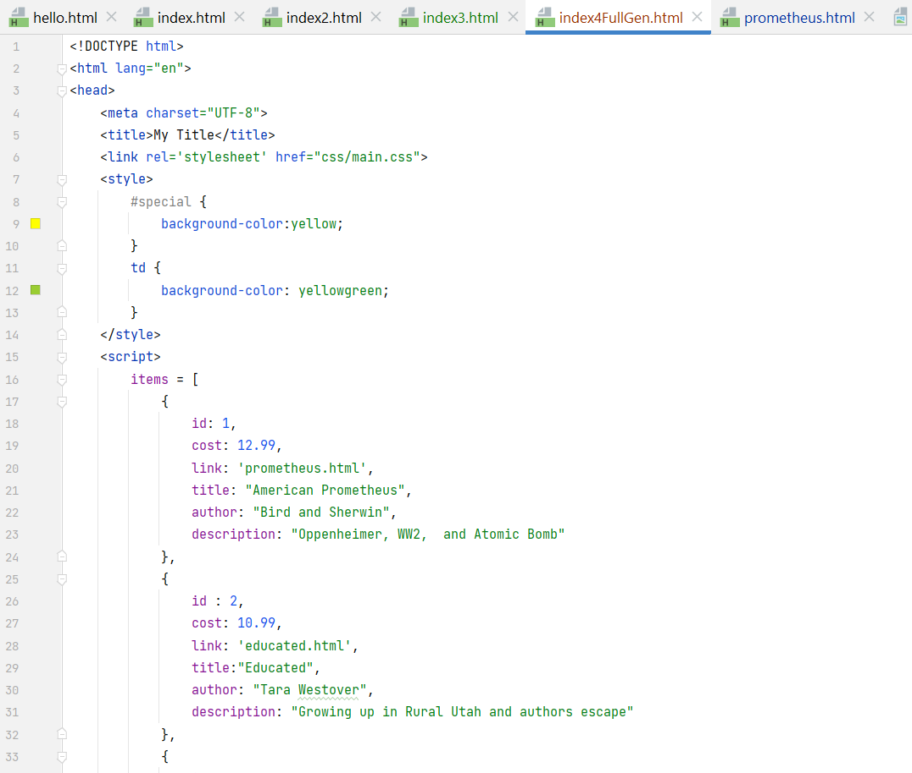

use a JS object literal to describe the data

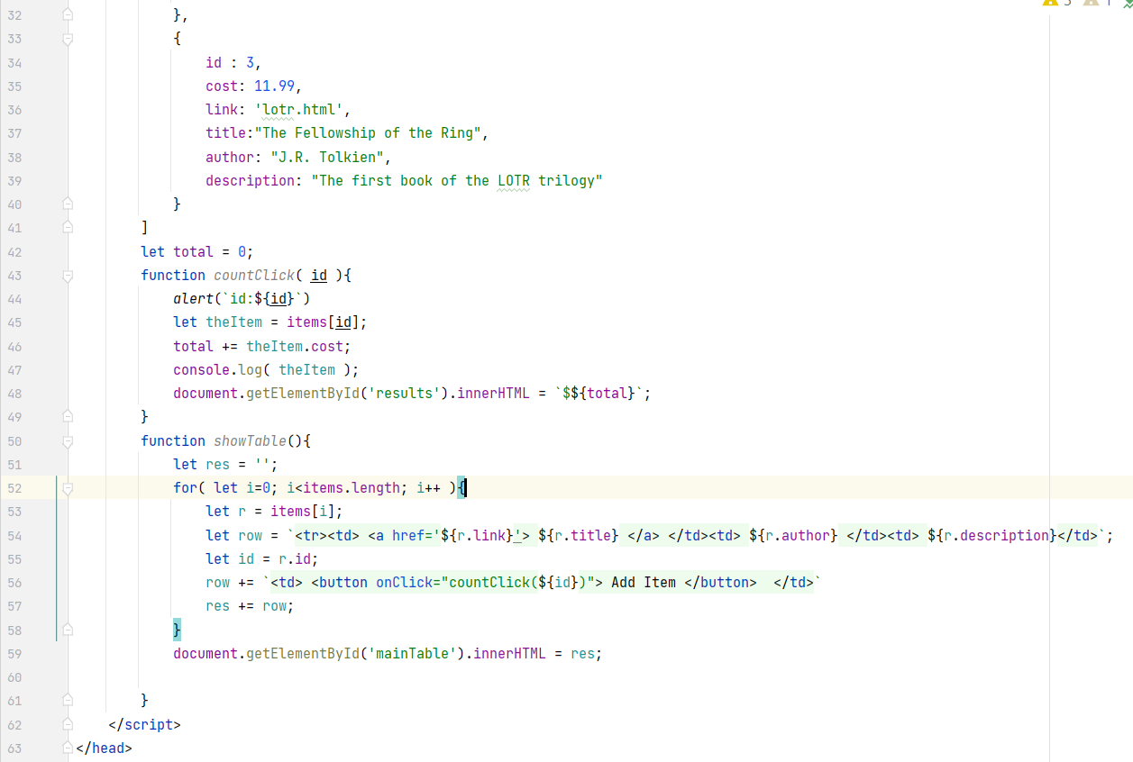

onload ... run through the data ... generate the HTML needed

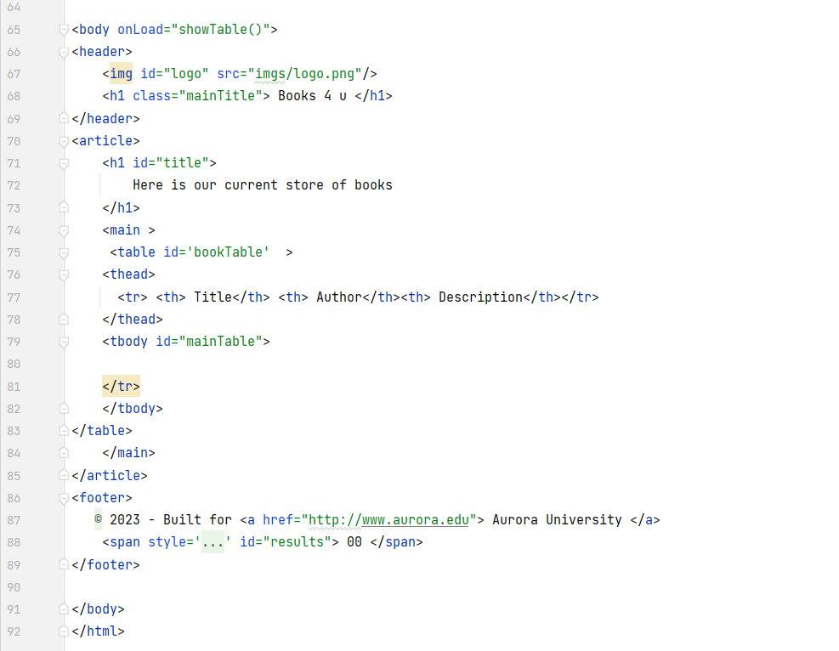
onLoad -> showTable()

Leave the body empty ... generate it on the fly

Async Access
Can see aynsnc .... this a callback function
Note how this comes out later
2000 -> 2 sec (2000 milisecons)
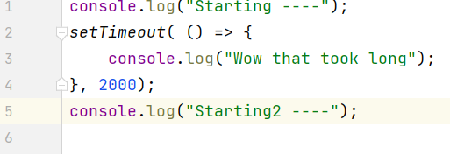

This syntax gets ugly when an aync function
needs to call another aync function
So JS added promises

Fetchdata will be called from setTimeout

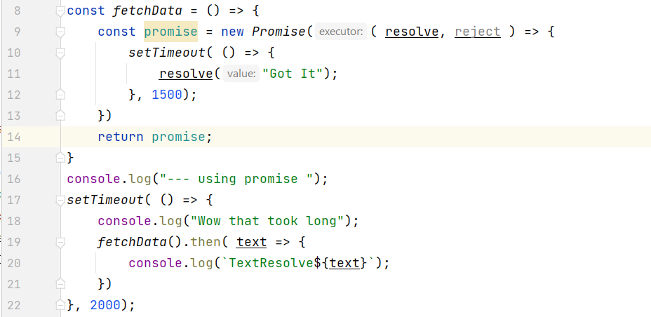

Creates a 'promise' object ..
needes to implement resolve function
Returns promise immediate ... but resolve later

setTimeout can use then ... once done then do this

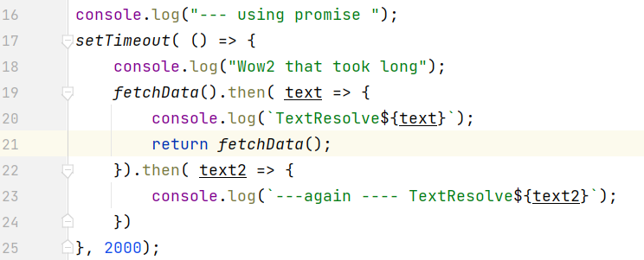

Promises keep code easier-to-read
-- Call fetchData 2x
--must return fetchData
-- Chain the thens
-- when 2nd promise results show this

Using Fetch
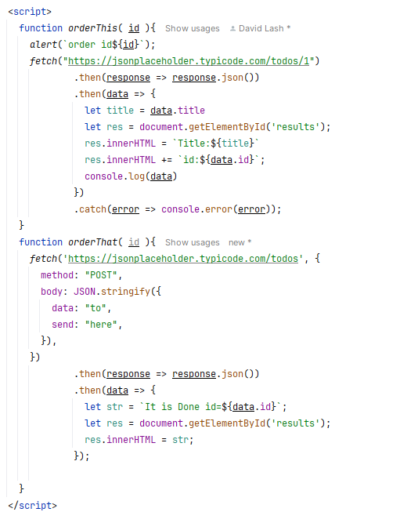
https://learnjavascript.online/topics/fetch.html

The Fetch API => launched 2015
Supported > 97% of browsers
It allows us to send a request to a server and receive a response.
https://jsonplaceholder.typicode.com/todos/1

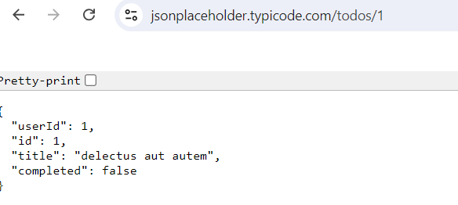

fetch("https://jsonplaceholder.typicode.com/todos/1")
.then(response => response.json())
.then(data => console.log(data))
.catch(error => console.error(error));

Asyncronous
The Fetch API is asynchronous. The fetch() method returns a promise, which is why we see the console.log calls in a different order than the code:
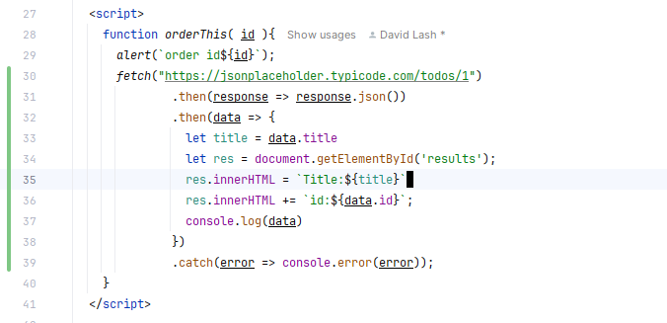

console.log("FLAGA---");
fetch("https://jsonplaceholder.typicode.com/todos/1")
.then(response => response.json())
.then(data => console.log(data))
.catch(error => console.error(error));
console.log("FLAGB--->>>");

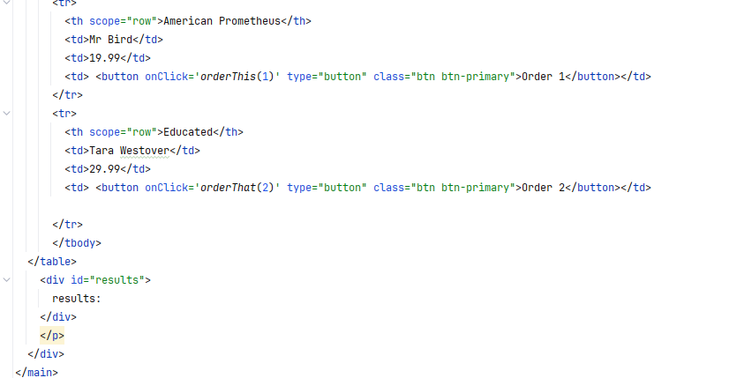
Making a POST request
You can make a POST request by specifying the second argument as follows:

Full Gen Fetch
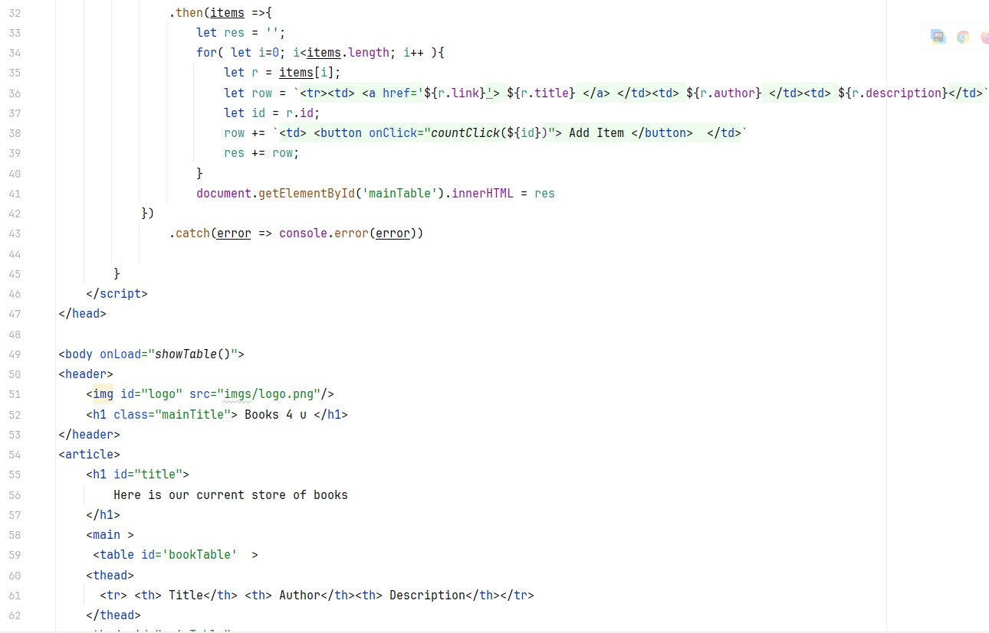
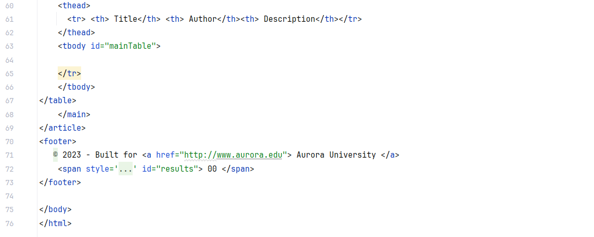
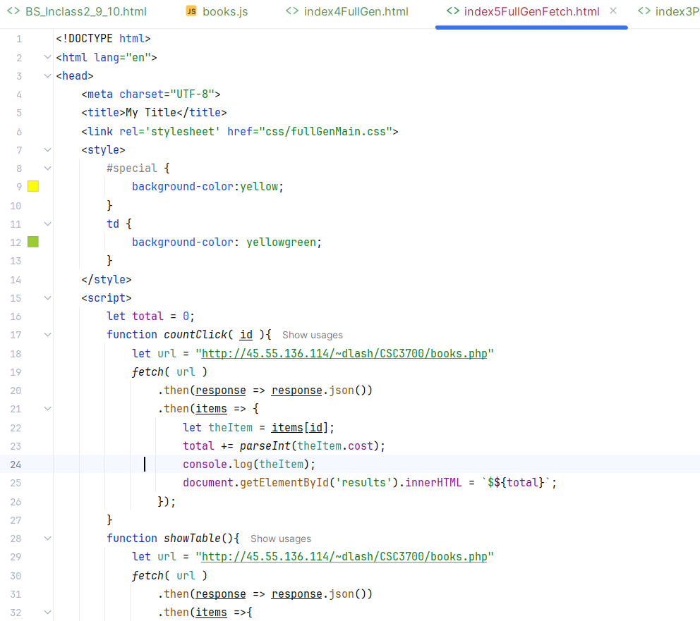

Start by review the code from
Fully generated ...
will leverage this API
http://45.55.136.114/~dlash/CSC3700/books.php
Put it into json pretty print
https://jsonformatter.org/json-pretty-print

Called from the generated html
it has to refetch data and update response
String conversion

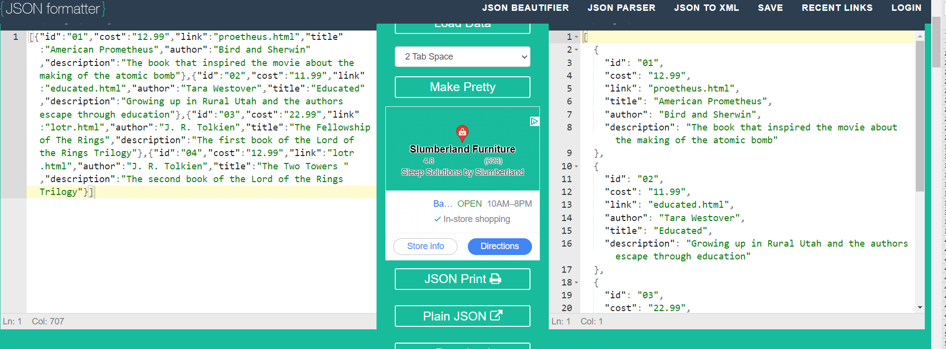
Note the html calls showTable onLoad
Note the html calls showTable onLoad

fetch the url
Get response and convert into an object literal
items is the object literal ... loop over it
generate the table you need
set it in the mainTable id

